Sheet1
S.No | Category | Assets | Confidentiality (1-3) | Integrity (1-3) | Availability (1-3) | Criticality score (CIA) | Threats | Vulnerabilities | Risk Scenarios | Existing Controls | Probability (On a scale of 1-5) | Impact (On a scale of 1-5) | Asset Risk score and Risk score | Risk assessment result | Risk treatment
1 | Network Security | Wireless Comm Module (Via Bluetooth) | 3 | 2 | 3 | 8 | Unauthorized access, DoS, Signal interception | Unencrypted communication, default color pairing | 1. Attacker hijacks robot signals controlling it remotely. 2. Nearby device accidently connects to the robot due to the weak pairing protocols. 3. DoS attack could cause command delays or unresponsiveness. | 1. Connecting to a color. 2. Limited range of wireless communication. 3. Manual disconnection when not in use. | 5 | 5 | 18 | 18/19 -> CRITICAL | Implement encryption, secure pairing, fail-close mechanism.
2 | Application Security | Arduino Code | 2 | 3 | 2 | 7 | Code injection, logic manipulation | Lack of input validation, insecure code, | 1. Malicious code alters robot behavior. 2. Input not sanitized, leading to errors. | 1. Code review by team. 2. Instructor feedback during sprints. | 3 | 5 | 15 | 15/19 -> HIGH | Implement secure coding practices, fail-close mechanism.
3 | Hardware Security | IR Sensors | 1 | 3 | 3 | 7 | Potential sensor spoofing | Lack of redundancy, range limitation | 1. Robot misinterprets its environment due to spoofed signals. 2. Single point of failure causes the robot to stop operating. 3. Robot loses connection with the controller due to limited range. | 1. Basic calibration. 2. Testing sensor accuracy. | 2 | 5 | 14 | 14/19 -> HIGH | Secure IR connection, use of more advanced IR sensor.
4 | Privacy | Camera | 3 | 2 | 1 | 6 | Privacy breach, unauthorized control | Unsecured video feed | 1. Camera used to spy. 2. Video feed intercepted. 3. Unauthorized access to live video. | 1. Camera always active when turned on. | 2 | 4 | 12 | 12/19 -> MEDIUM | Encrypt video feed, disable when not in use.
5 | Operational Security | Robot Hardware (Motor, wheel, body) | 1 | 2 | 3 | 6 | Physical tampering, sabotage | Flimsy/fragile | 1. Robot is damaged by unauthorized personnel. 2. Components are removed affecting perofrmance. 3. Loose wiring can affect performance if unattached unintentionally. | 1. Robot Stored in a supervised and secured area. 2. QAEs | 2 | 4 | 12 | 12/19 -> MEDIUM | Secured and sturdy build, use improved hardware (e.g. Better wheels).

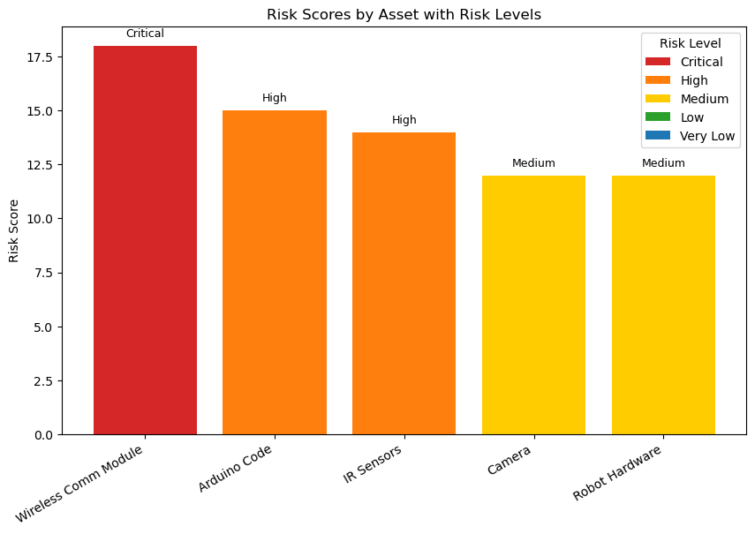

 |  |  |  |  |  |  |  |  | RISK CHART SCALE
 |  |  |  |  |  |  |  |  | CRITICAL: 17-19
 |  |  |  |  |  |  |  |  | HIGH: 14-16
 |  |  |  |  |  |  |  |  | MEDIUM: 11-13
 |  |  |  |  |  |  |  |  | LOW: 8-10
 |  |  |  |  |  |  |  |  | VERY LOW: 1-7

